Forest FES-rekenschema
Language:
English
 |  |  |  |  |  |  |  | Number of hooks |  |  |  | 14
 |  |  |  |  |  |  |  | in curtain needed

 |  | FES-wave
 |  |  |  |  |  |  |  | Number of |  |  |  | 12
 |  |  |  |  |  |  |  | carriers needed**

V2.3
Track type = | FMS (Shuttle) |  |  |  |  |  |  | Curtain stacking |  |  |  | 23 | cm
 |  |  |  |  |  |  |  | in open position
Track size in cm = | 100 |  |  |  |  |  |  | (minimal)

Easyflex <> | Easywave |  |  |  |  |  |  | Total tape length |  |  |  | ± 224 | cm
Easywave = |  |  |  |  |  |  |  | required
Carrier distance: | 8 cm (60%)
5,4cm / 6cm / 8cm =
One-way draw <> | One-way draw |  |  |  |  |  |  | Curtain fullness |  |  |  | 224 | %
Center closing =
Master type: | Steel
Steel / Plastic =
 |  |  |  |  |  |  |  | Total depth of the curtain:
 |  |  |  |  |  |  |  | - | In closed position |  |  | ± 13 | cm
 |  |  |  |  |  |  |  | - | With open position |  |  | ± 16 | cm

Distance between | 16
hooks in cm* =

 |  |  | 1 | ... | ... | ... | ... | ... |  | 13 | 14
* In combination with 'Easyflex hook fitter 9900000017'.
** Includes carriers that are placed inside master carriers.
*** Always measured from the left side, only for hand operated curtains.
- Product tolerances are calculated in the final results.
- No rights can be derived from this calculation tool.

 |  |  |  |  |  |  |  |  |  |  |  |  |  | 
 |  |  |  |  |  |  |  |  |  |  |  |  |  | 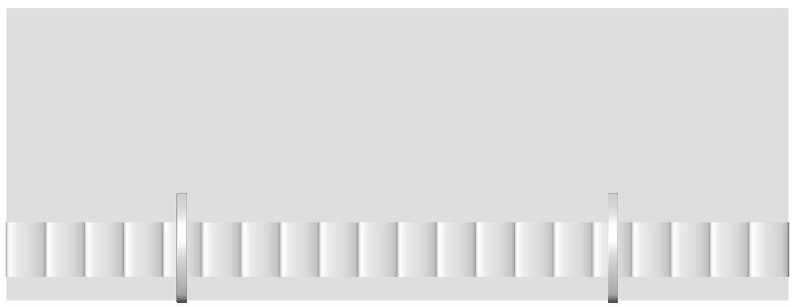

 |  |  |  |  |  |  |  |  |  |  |  |  |  |  | 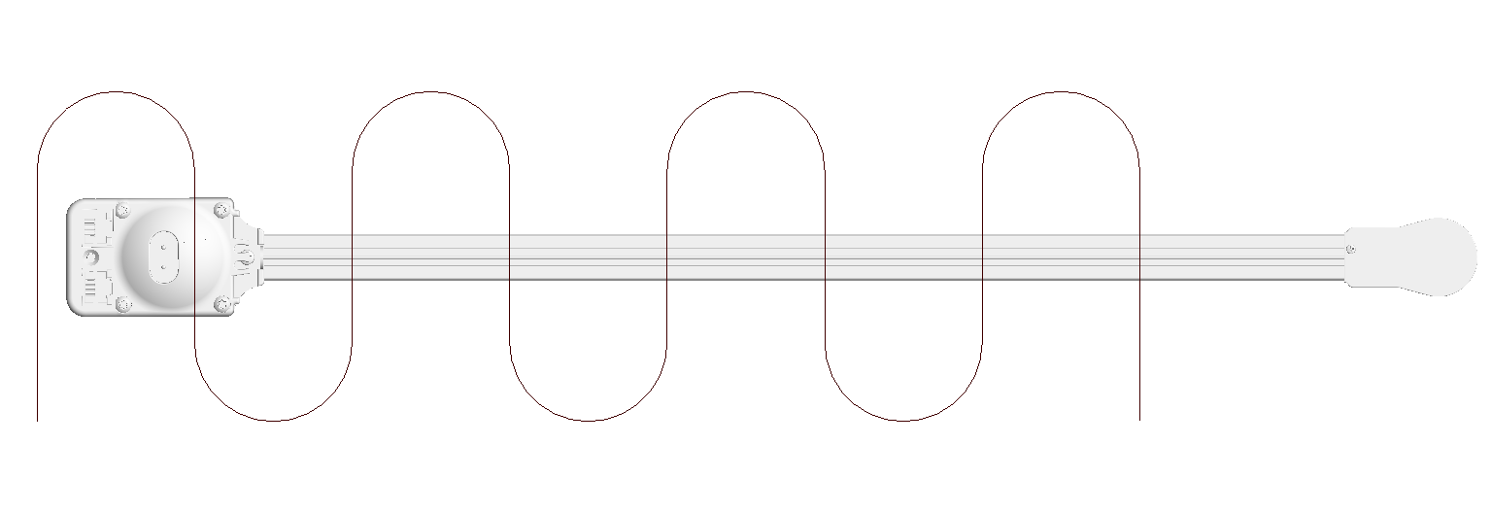 | 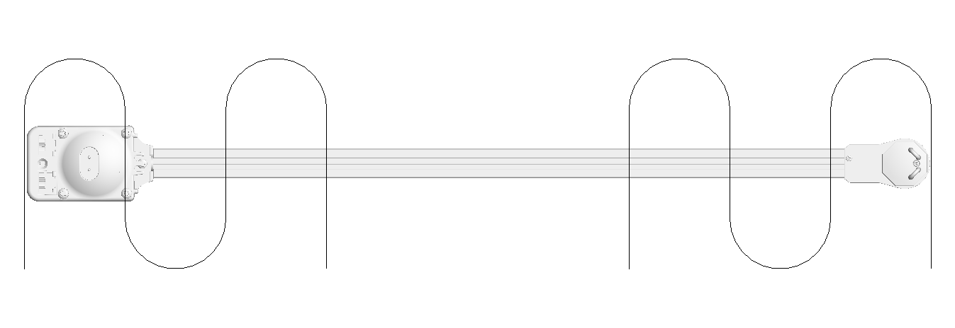 | 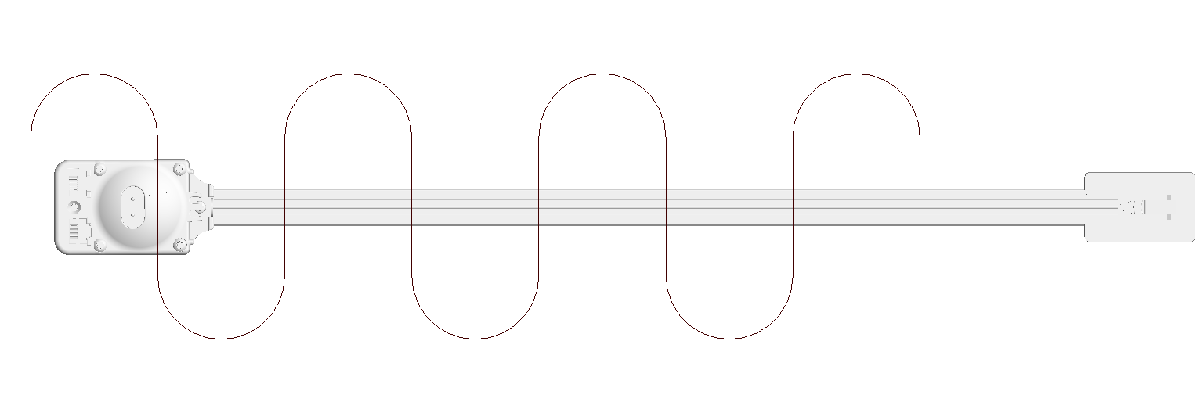 | 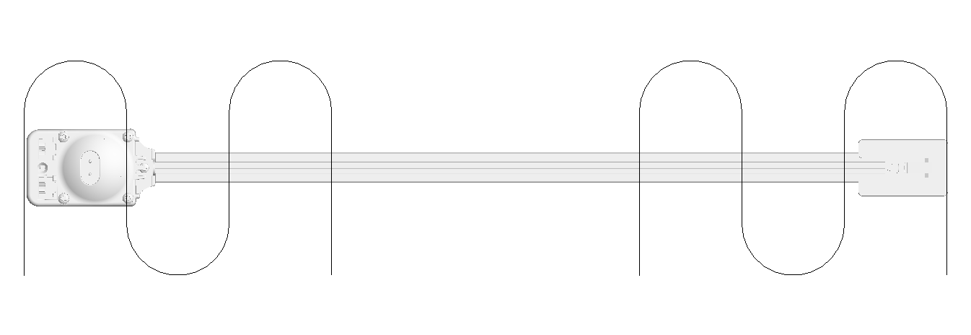
 |  |  |  |  |  |  |  |  |  |  |  |  |  |  | 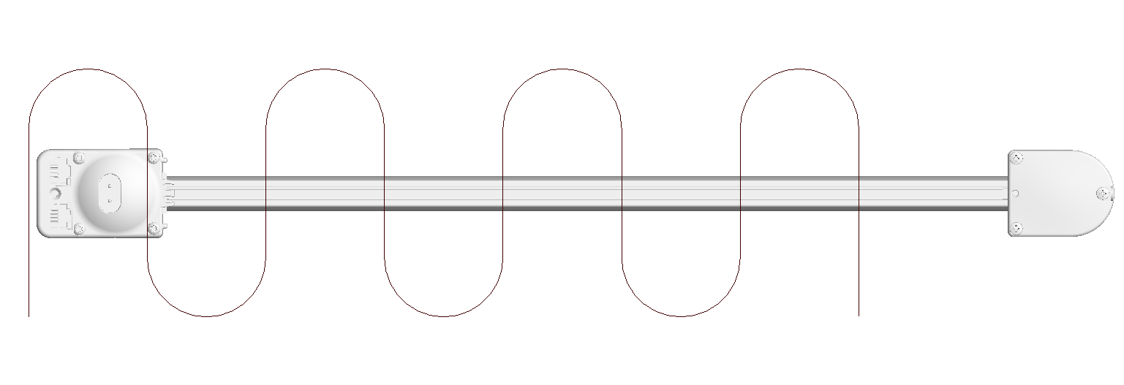 | 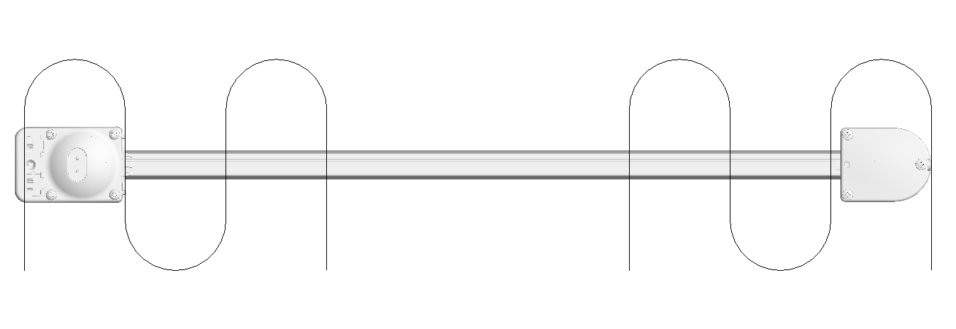
 |  |  |  |  |  |  |  |  |  |  |  |  |  |  | 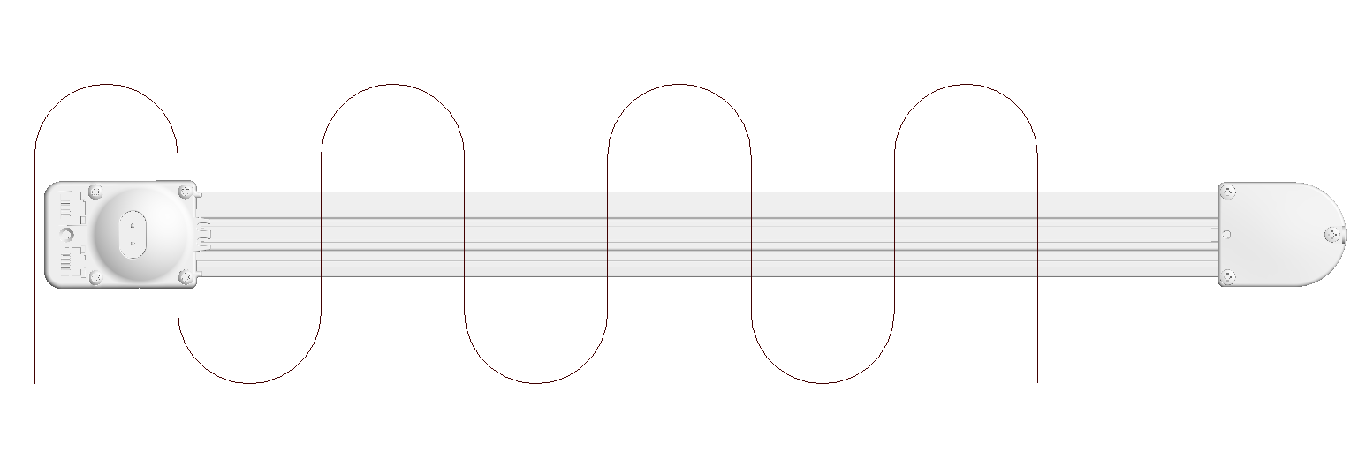 | 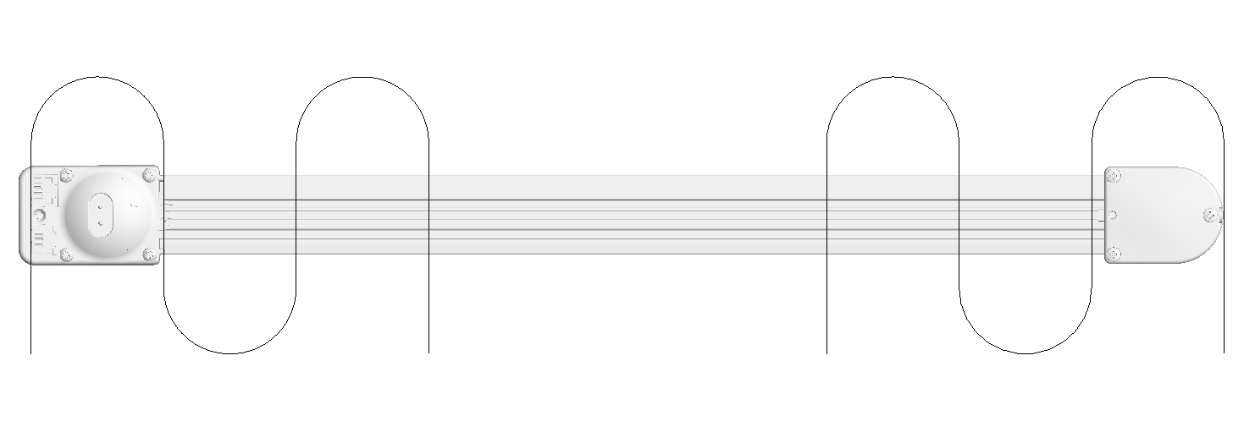
 |  |  |  |  |  |  |  |  |  |  |  |  |  |  | 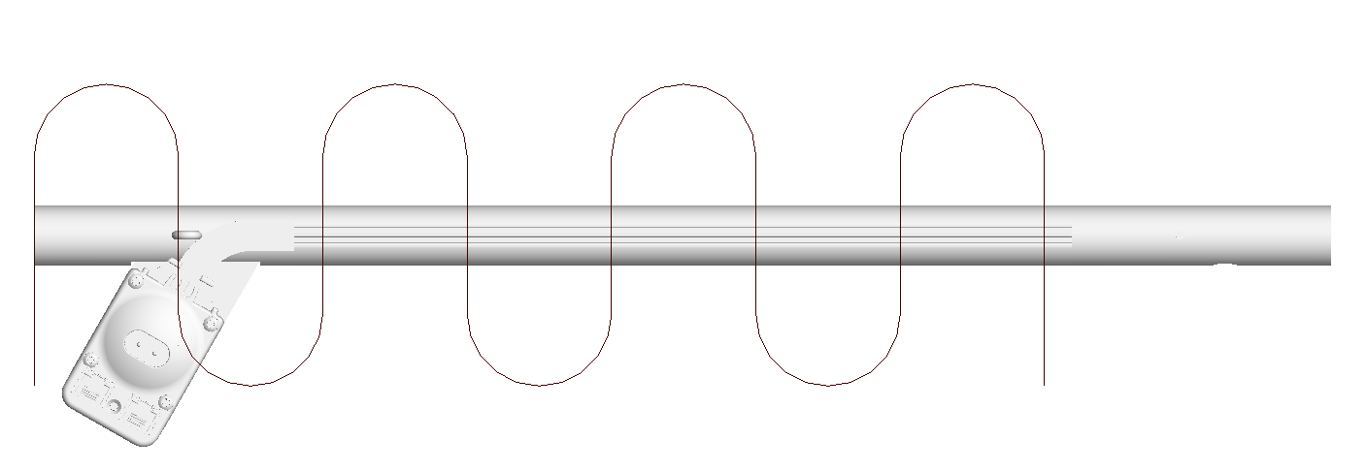 | 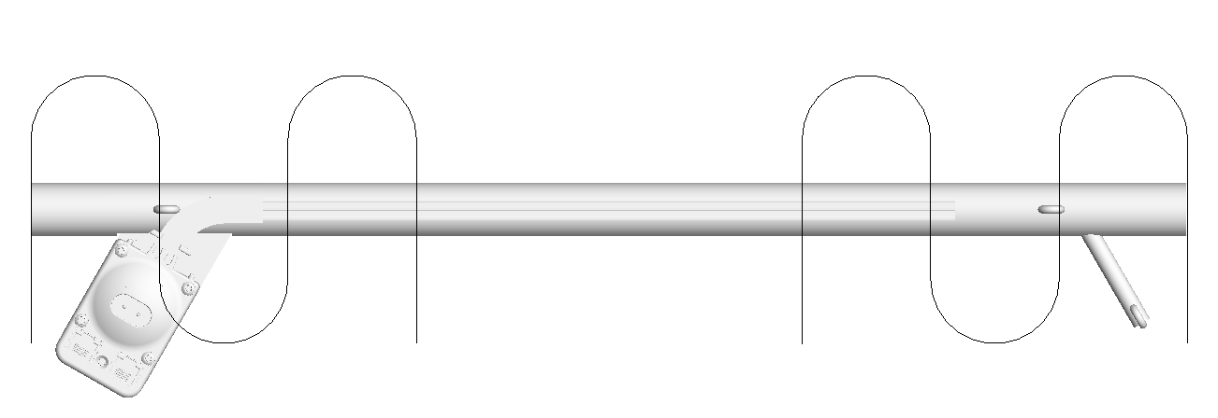
 |  |  |  |  |  |  |  |  |  |  |  |  |  |  | 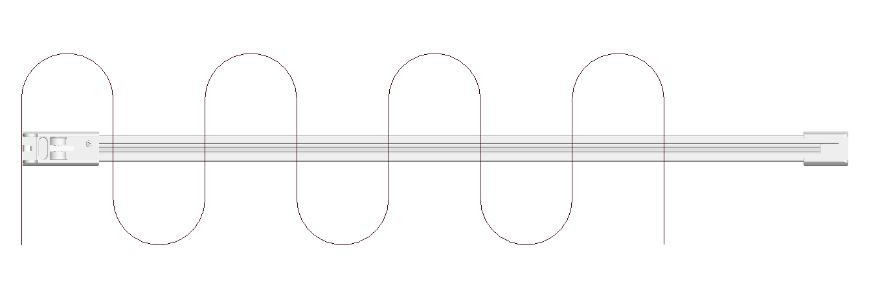 | 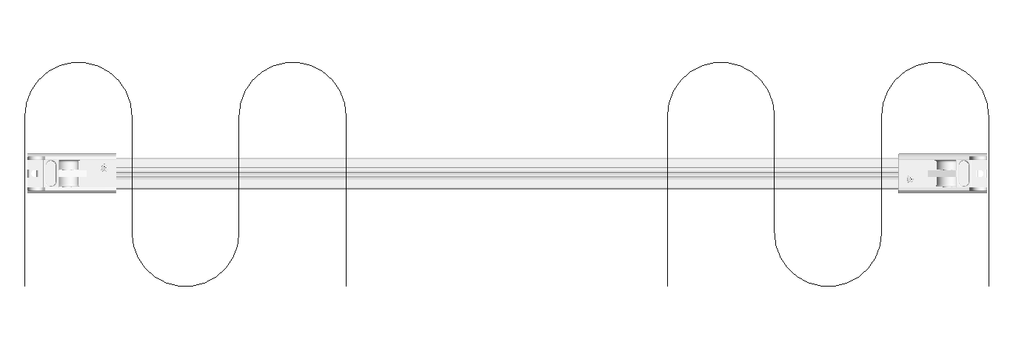
 |  |  |  |  |  |  |  |  |  |  |  |  |  |  | 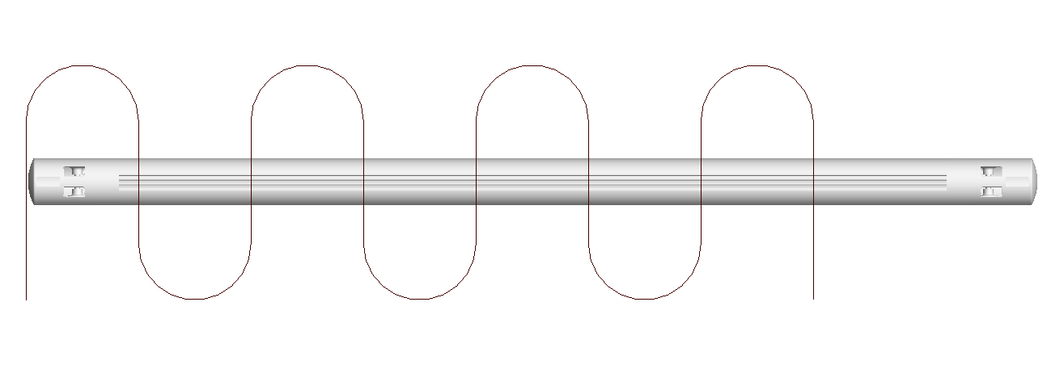 | 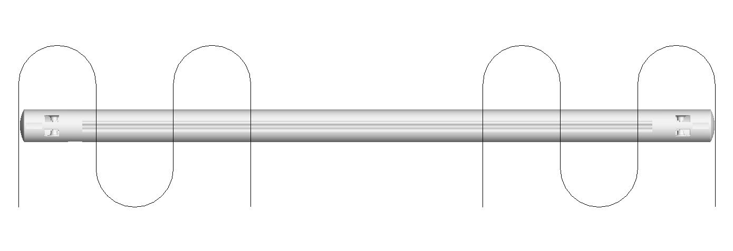
 |  |  |  |  |  |  |  |  |  |  |  |  |  |  | 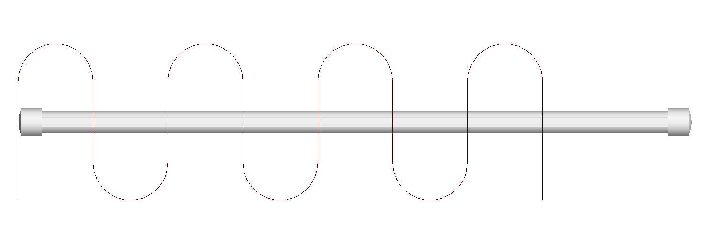 | 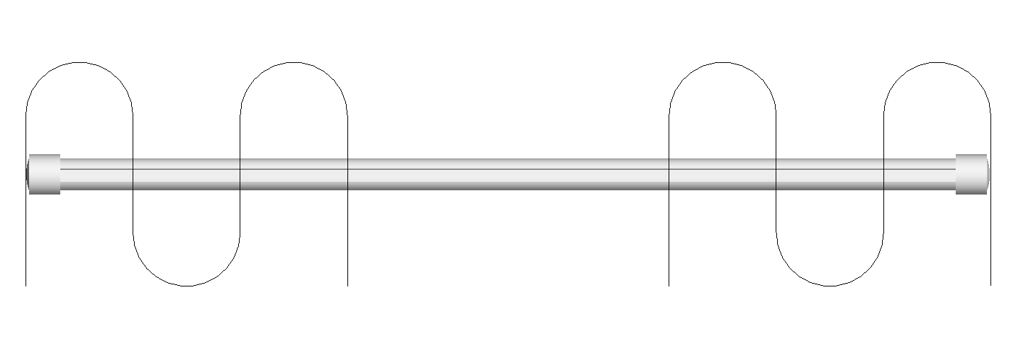
 |  |  |  |  |  |  |  |  |  |  |  |  |  |  | 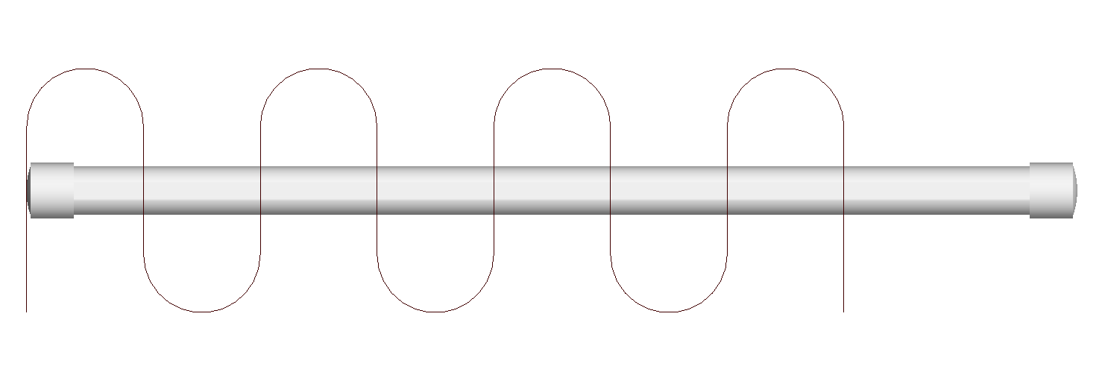 | 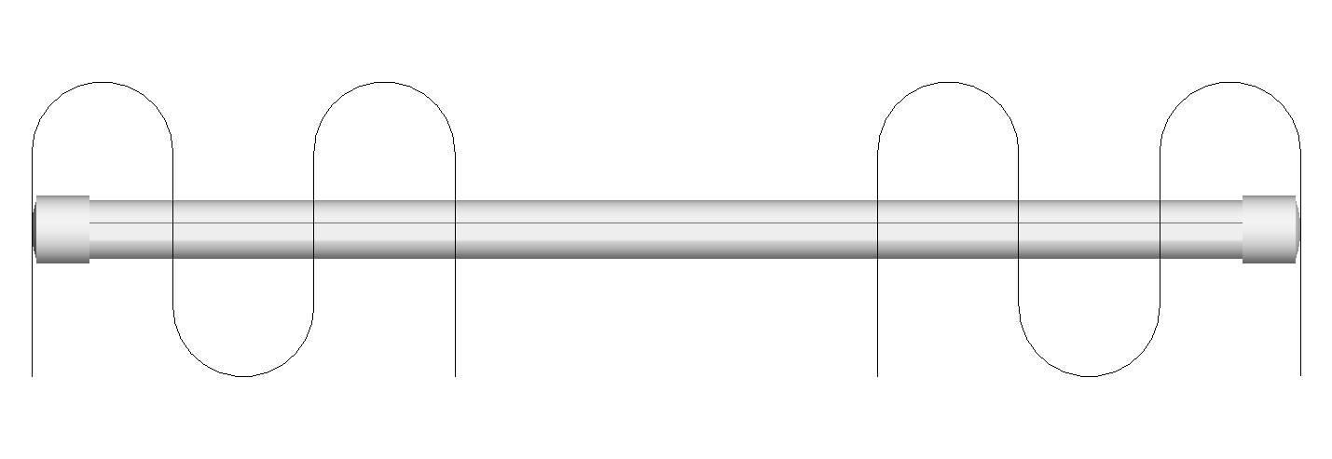
 |  |  |  |  |  |  |  |  |  |  |  |  |  |  | 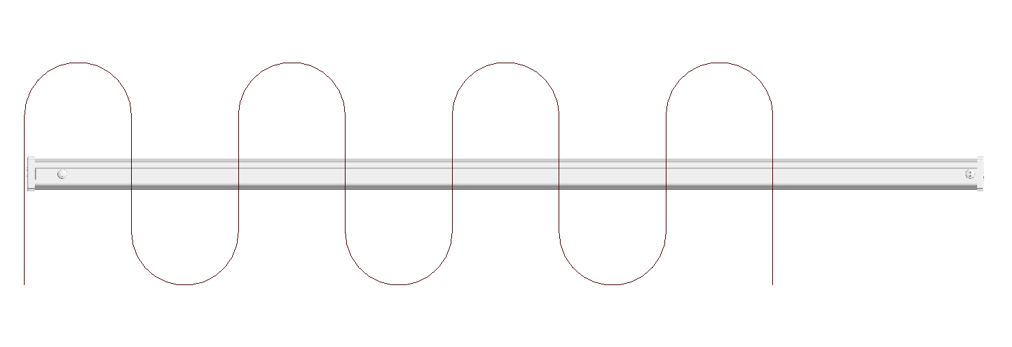 | 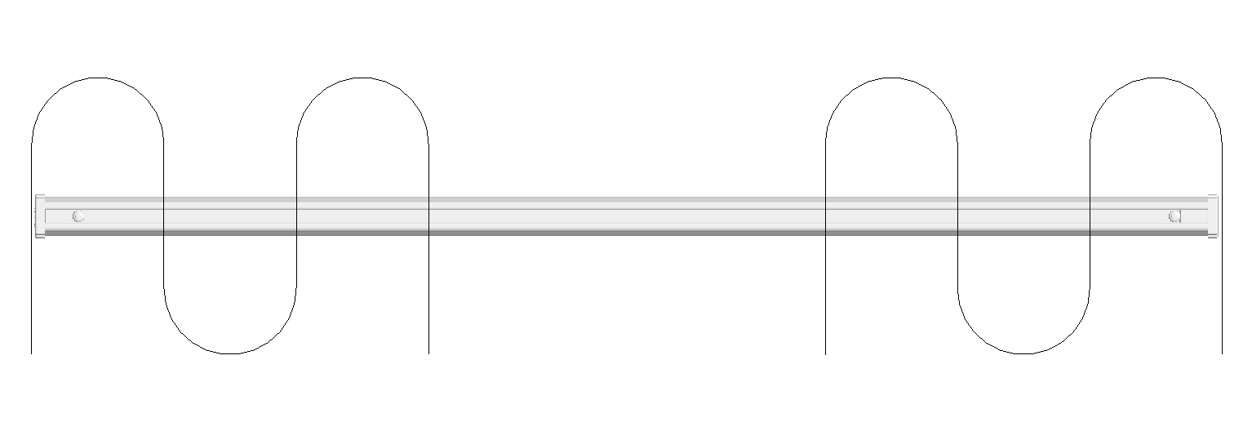
 |  |  |  |  |  |  |  |  |  |  |  |  |  |  | 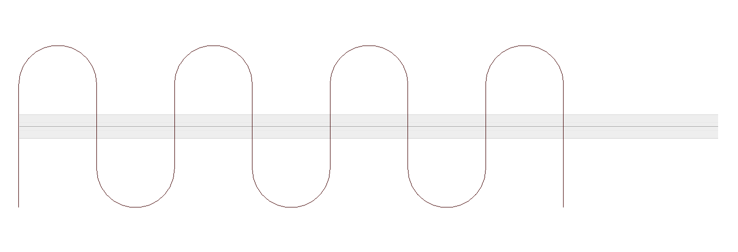 | 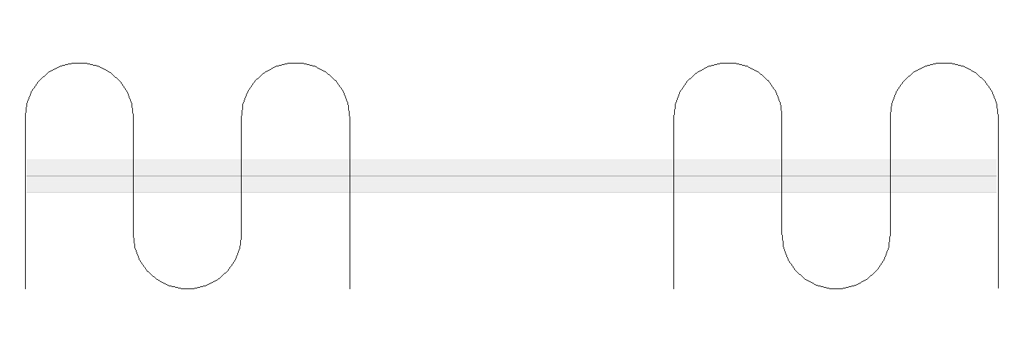
 |  |  |  |  |  |  |  |  |  |  |  |  |  |  | 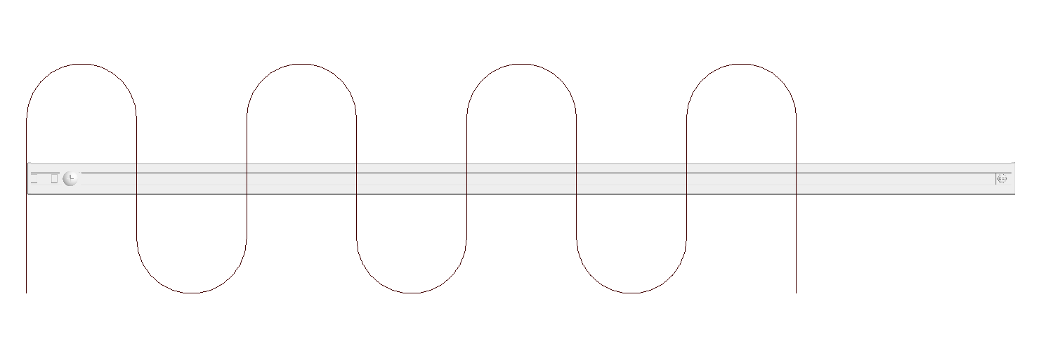 | 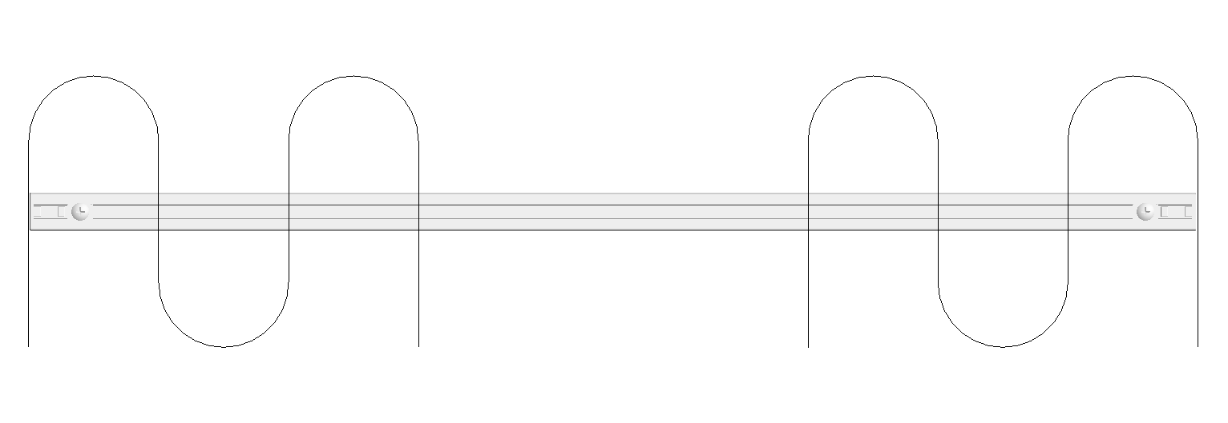
 |  |  |  |  |  |  |  |  |  |  |  |  |  |  | 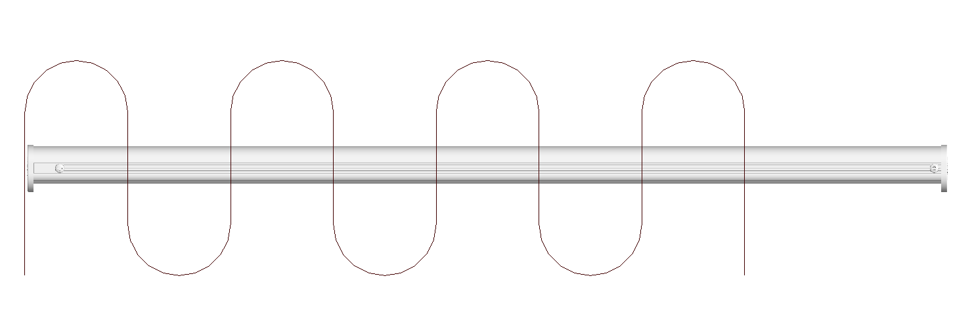 | 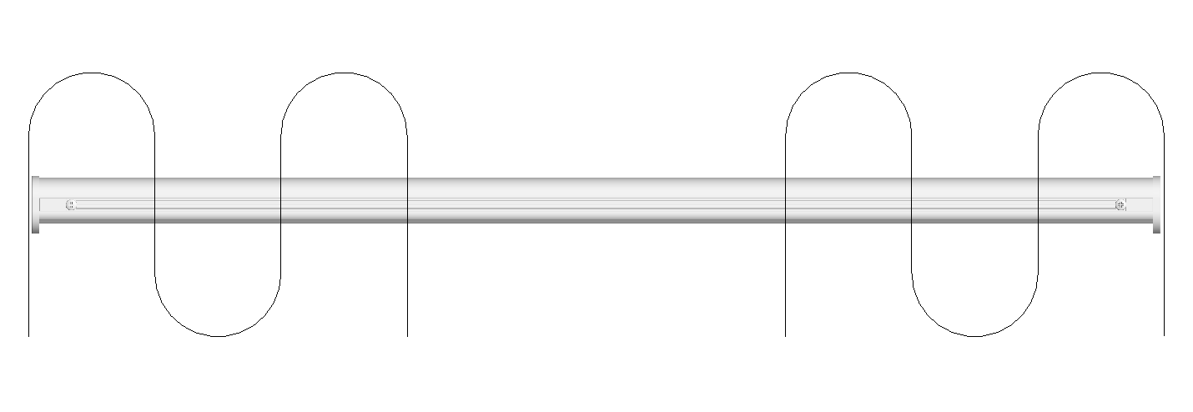
 |  |  |  |  |  |  |  |  |  |  |  |  |  |  | 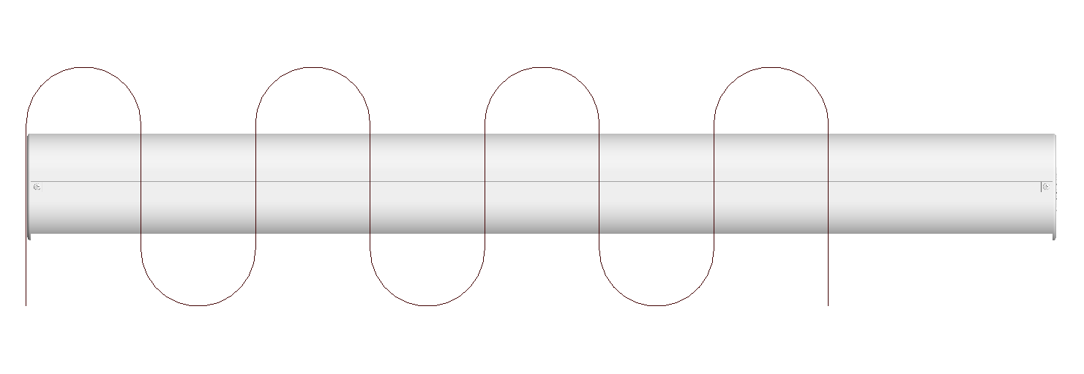 | 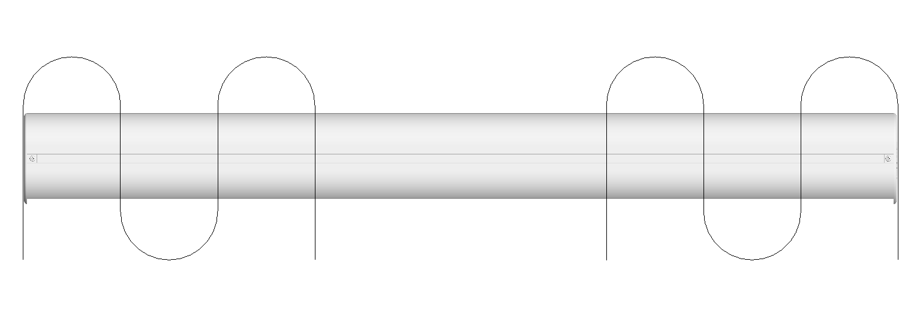
 |  |  |  |  |  |  |  |  |  |  |  |  |  |  | 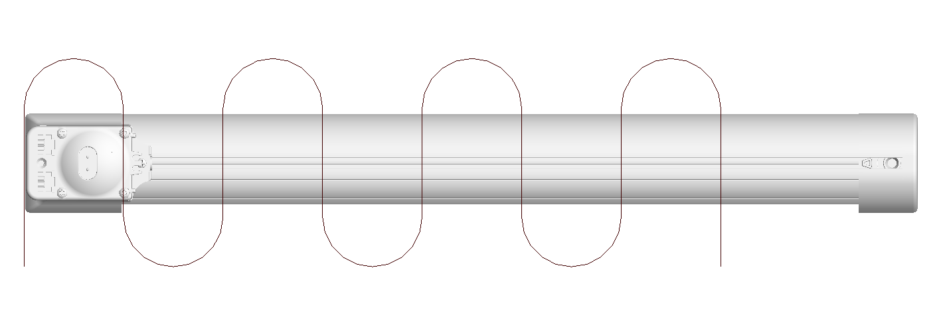 | 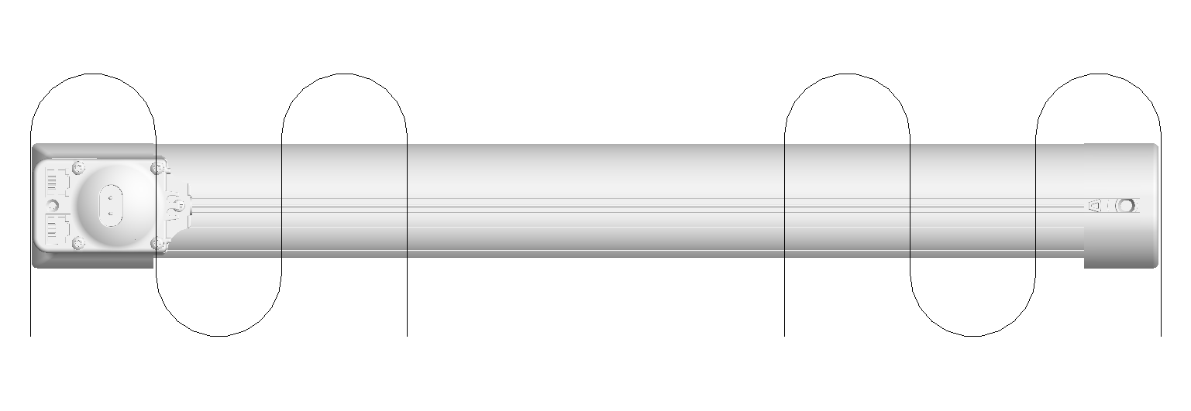
 |  |  |  |  |  |  |  |  |  |  |  |  |  |  | 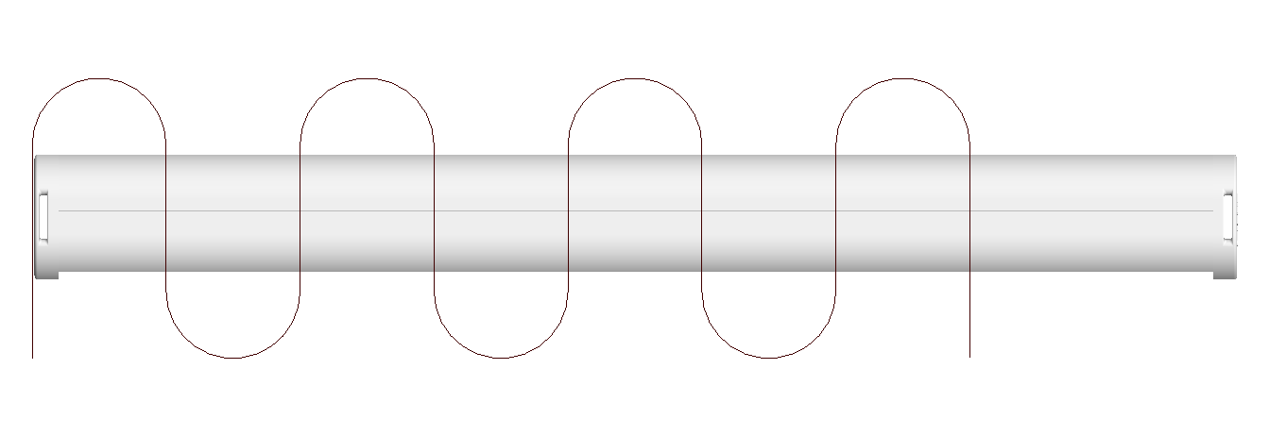 | 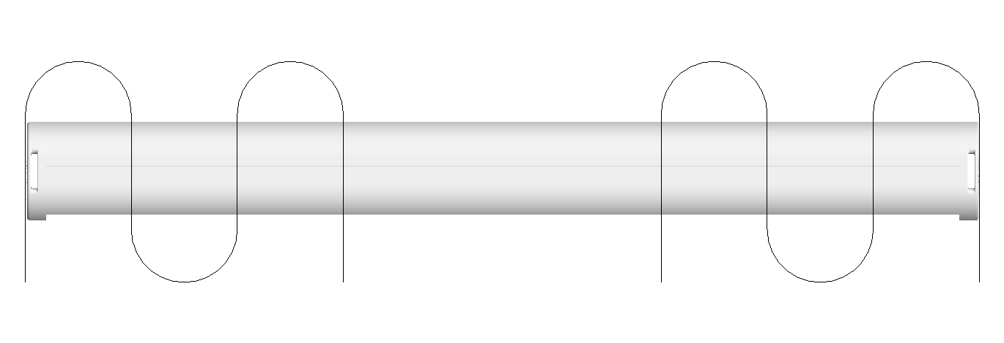
 |  |  |  |  |  |  |  |  |  |  |  |  |  |  | 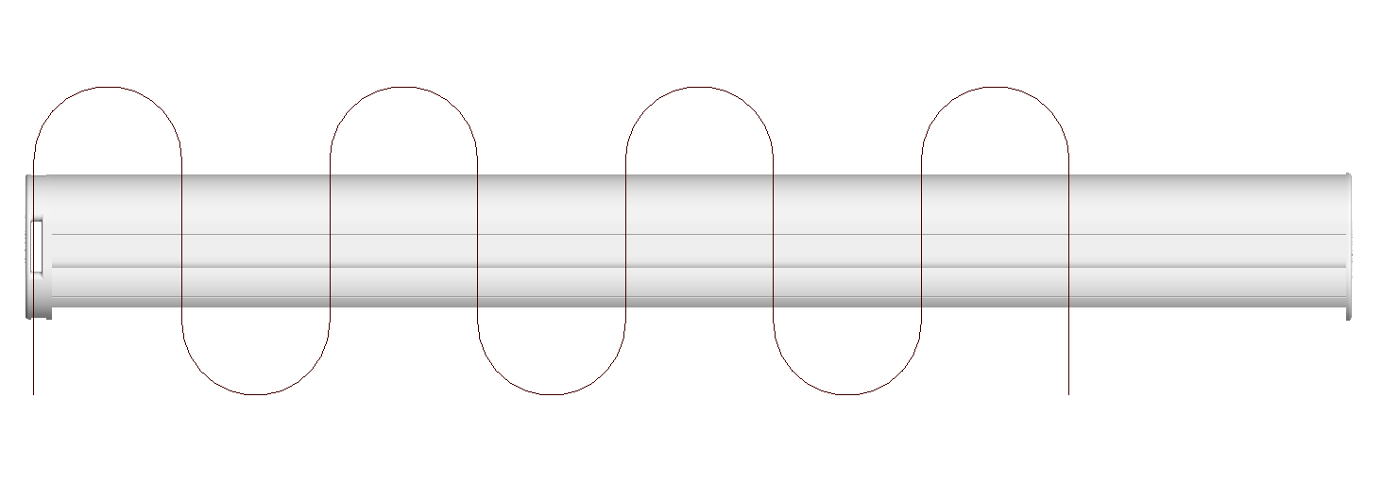 | 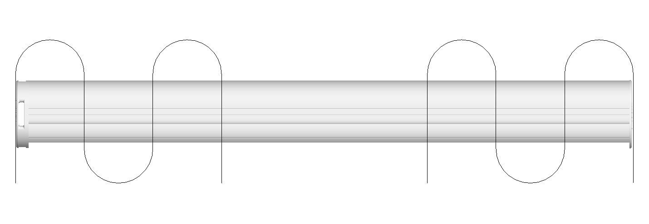

 |  |  |  |  |  |  |  |  |  |  |  |  |  |  |  | 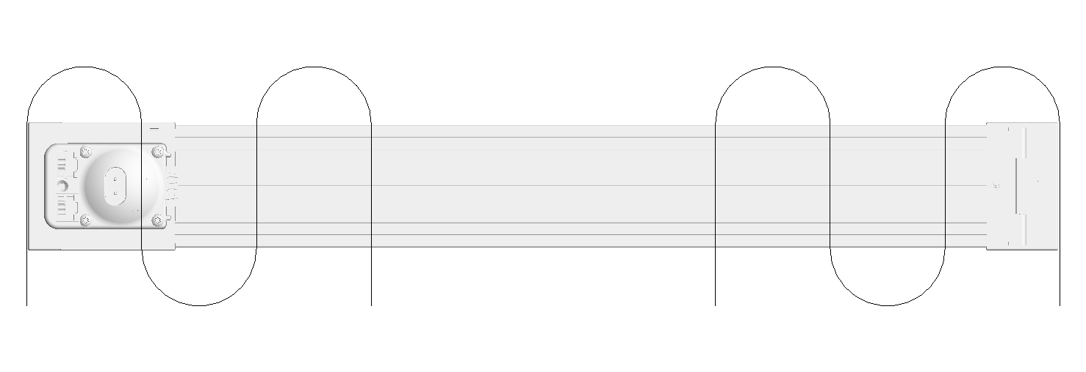
 |  |  |  |  |  |  |  |  |  |  |  |  |  |  | 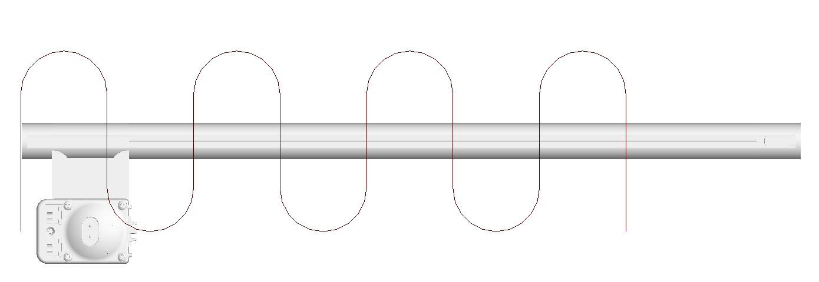 | 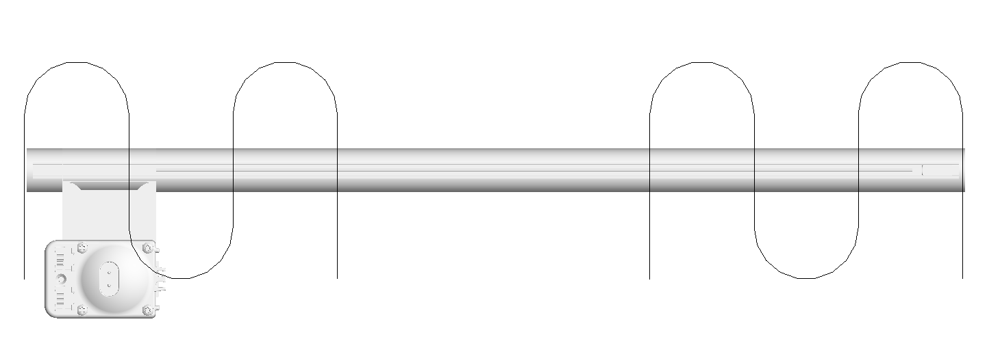
 |  |  |  |  |  |  |  |  |  |  |  |  |  |  | 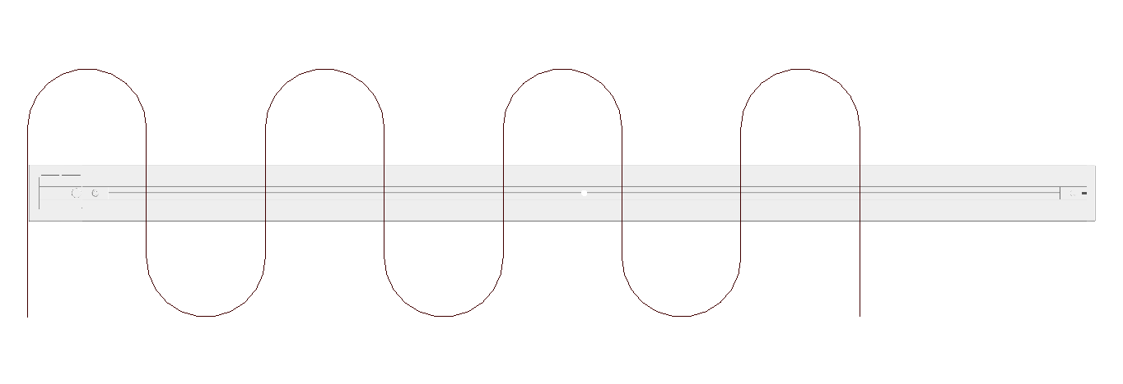 | 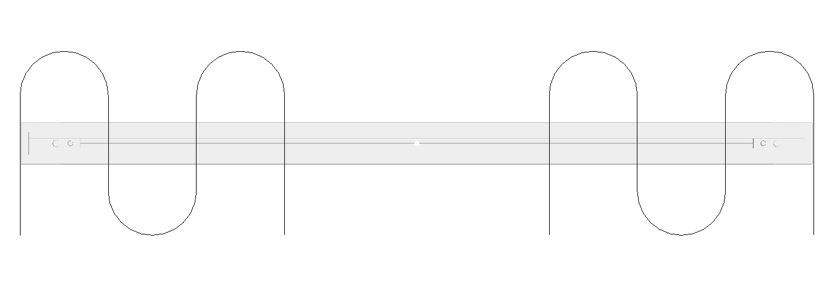
 |  |  |  |  |  |  |  |  |  |  |  |  |  |  | 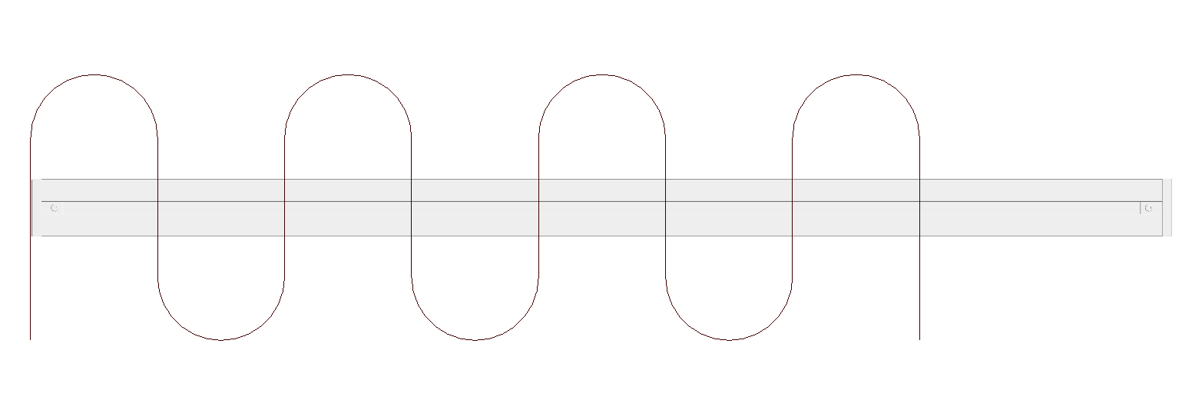 | 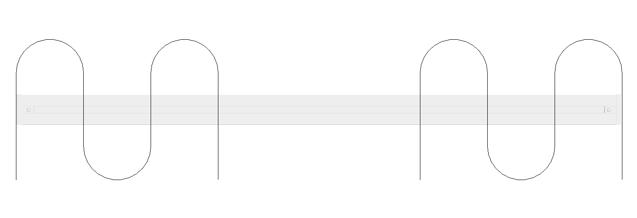
 |  |  |  |  |  |  |  |  |  |  |  |  |  |  | 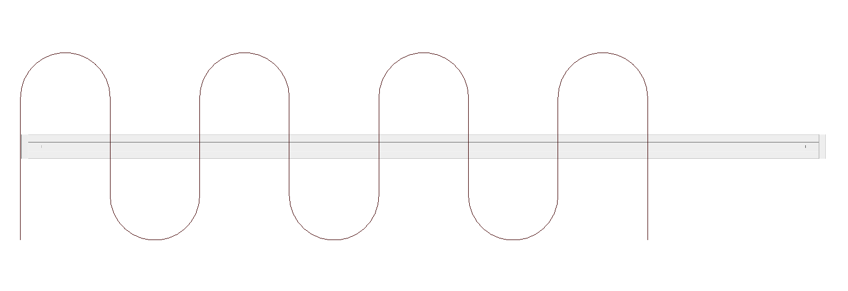 | 

